Introduction
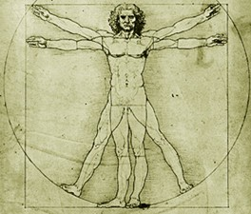

PRÜFUNGSPASS | Name:
 | First Name:
Master Molecular Microbiology, | Date of Birth:
Microbial Ecology | Matr. Nr.:
and Immunobiology *) | eMail:

I. Compulsory Modulee Introduction (30 ECTS - Credits)

Module MMEI I, 30 ECTS Research topics in Molecular Microbiology, Microbial Ecology ans Immunobiology

Course | Type | ECTS | Date | Grade | Product
Research topics in Molecular Microbiology, Microbial Ecology and Immunobiology | VO | 5 |  |  | 0.00
Practical Course in Molekular Microbiology, Microbial Ecology and Immunobiology | UE |  |  |  | 0.00
Practical Course in Molekular Microbiology, Microbial Ecology and Immunobiology | UE |  |  |  | 0.00
Advanced Techniques in Molecular Microbiology, Microbial Ecology and Immunobiology | SE |  |  |  | 0.00
 |  |  |  |  | 0.00
 |  |  |  |  | 0.00
Teilnote |  | 5 |  | Summe: | 0.00
 |  |  |  |  |  | 0.00

*) entsprechend der Veröffentlichung im Mitteilungsblatt der Universität Wien, Studienjahr 2012/13, 34.Stück, Nummer 240;

